Training Bambino
 |  |  | SIZE ASSORTMENT |  |  |  |  |  |  |  |  |  | TOT. FULL BOXES | PAIR PER BOX | TOT PAIRS

FOTO | Colore | NOTE | 29/35 | 20/26 | 23/29 | 30/35 | 35/40 | 25/30 | 19/24 | 26/31 | 32/37 | 36/41
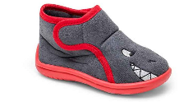 | grigio/ rosso |  |  | 1 |  |  |  |  |  |  |  |  | 1 | 12 | 12
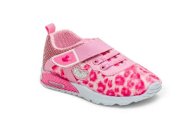 | rosa | WITH LED! |  |  |  |  |  |  | 8 |  |  |  | 8 | 12 | 96
 |  | MIX SIZES |  |  |  |  |  | 11 | 9 |  |  |  |  |  | 20
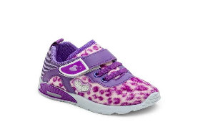 | viola/ lilla | WITH LED! |  |  |  |  |  | 7 | 13 |  |  |  | 20 | 12 | 240
 |  | MIX SIZES |  |  |  |  |  | 8 |  |  |  |  |  |  | 8
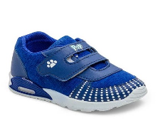 | azzurro | WITH LED! |  |  |  |  |  | 5 |  |  |  |  | 5 | 12 | 60
 | azzurro | MIX SIZES |  |  |  |  |  | 8 | 7 |  |  |  |  |  | 15
 | lilla - suola luci | WITH LED! |  |  |  |  |  | 3 | 15 |  |  |  | 18 | 12 | 216
 | lilla - suola luci | MIX SIZES |  |  |  |  |  | 4 |  |  |  |  |  |  | 4
 | rosa |  |  |  |  |  |  | 5 | 5 |  |  |  | 10 | 12 | 120
 | rosa | MIX SIZES |  |  |  |  |  |  | 7 |  |  |  |  |  | 7
 | navy |  |  |  |  |  |  |  | 4 |  |  |  | 4 | 12 | 48
 | navy | MIX SIZES |  |  |  |  |  |  | 7 |  |  |  |  |  | 7
 | navy |  |  |  |  |  |  | 10 | 7 |  |  |  | 17 | 12 | 204
 | navy | MIX SIZES |  |  |  |  |  |  | 7 |  |  |  |  |  | 7
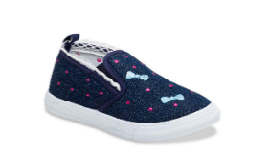 | jeans |  |  |  |  |  |  | 18 | 41 |  |  |  | 59 | 12 | 708
 | jeans | MIX SIZES |  |  |  |  |  | 10 |  |  |  |  |  |  | 10
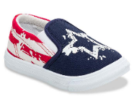 | navy rosso |  |  |  |  |  |  | 21 | 25 |  |  |  | 46 | 12 | 552
 | navy rosso | MIX SIZES |  |  |  |  |  | 10 | 10 |  |  |  |  |  | 20
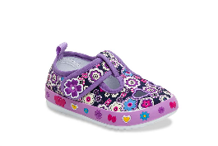 | viola |  |  |  |  |  |  | 1 |  |  |  |  | 1 | 12 | 12
 | viola | MIX SIZES |  |  |  |  |  |  | 1 |  |  |  |  |  | 1
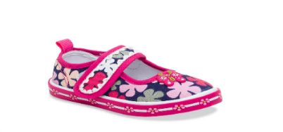 | navy fuxia |  |  |  |  |  |  |  | 3 |  |  |  | 3 | 12 | 36
 | navy fuxia | MIX SIZES |  |  |  |  |  |  | 1 |  |  |  |  |  | 1
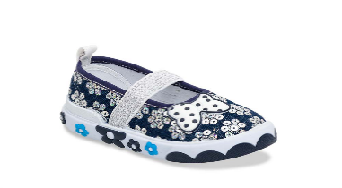 | navy argento |  |  |  |  |  |  | 31 | 24 |  |  |  | 55 | 12 | 660
 | navy argento | MIX SIZES |  |  |  |  |  | 8 | 1 |  |  |  |  |  | 9
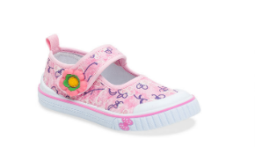 | rosa |  |  |  |  |  |  | 18 | 23 |  |  |  | 41 | 12 | 492
 | rosa |  |  |  |  |  |  | 26 | 28 |  |  |  | 54 | 12 | 648
 | rosa | MIX SIZES |  |  |  |  |  |  | 7 |  |  |  |  |  | 7
 | lilla |  |  |  |  |  |  | 30 | 37 |  |  |  | 67 | 12 | 804
 | lilla | MIX SIZES |  |  |  |  |  |  | 7 |  |  |  |  |  | 7
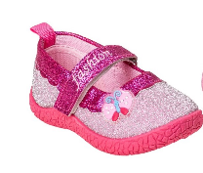 | rosa multicolore |  |  |  |  |  |  |  | 30 |  |  |  | 30 | 12 | 360
 | rosa multicolore | MIX SIZES |  |  |  |  |  |  | 9 |  |  |  |  |  | 9
 | fucsia multicolore |  |  |  |  |  |  |  | 23 |  |  |  | 23 | 12 | 276
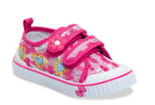 | rosa |  |  |  |  |  |  | 15 | 47 |  |  |  | 62 | 12 | 744
 | rosa | MIX SIZES |  |  |  |  |  |  | 1 |  |  |  |  |  | 1
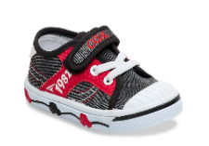 | nero grigio rosso |  |  |  |  |  |  | 19 | 45 |  |  |  | 64 | 12 | 768
 | nero grigio rosso | MIX SIZES |  |  |  |  |  | 9 | 1 |  |  |  |  |  | 10
 | navy |  |  |  |  |  |  | 28 |  |  |  |  | 28 | 12 | 336
 | navy | MIX SIZES |  |  |  |  |  |  | 3 |  |  |  |  |  | 3
 | rosa fuxia |  |  |  |  |  |  | 16 |  |  |  |  | 16 | 12 | 192
 | rosa fuxia | MIX SIZES |  |  |  |  |  |  | 4 |  |  |  |  |  | 4
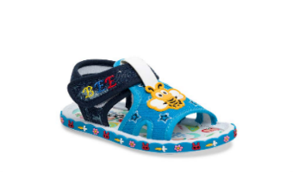 | navy |  |  |  |  |  |  | 43 |  |  |  |  | 43 | 12 | 516
 | navy | MIX SIZES |  |  |  |  |  |  | 9 |  |  |  |  |  | 9
 | rosa |  |  |  |  |  |  |  | 3 |  |  |  | 3 | 12 | 36
 | rosa | MIX SIZES |  |  |  |  |  | 7 | 2 | 2 |  |  |  |  | 11
 | azzurro |  |  |  |  |  |  | 12 |  |  |  |  | 12 | 12 | 144
 | azzurro | MIX SIZES |  |  |  |  |  | 2 | 2 |  |  |  |  |  | 4
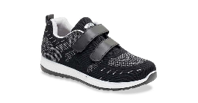 | nero |  | 16 |  |  |  |  |  |  |  |  |  | 16 | 12 | 192
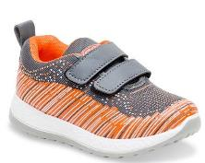 | grigio / orange |  | 9 |  |  |  |  |  |  |  |  |  | 9 | 12 | 108
 | grigio / orange | MIX SIZES | 17 |  |  |  |  |  |  |  |  |  |  |  | 17
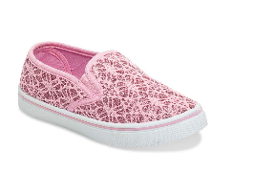 | rosa |  |  |  | 31 | 33 |  |  |  |  |  |  | 64 | 12 | 768
 | rosa | MIX SIZES |  |  | 3 | 11 |  |  |  |  |  |  |  |  | 14
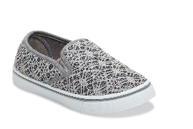 | grigio |  |  |  | 36 | 12 |  |  |  |  |  |  | 48 | 12 | 576
 | grigio | MIX SIZES |  |  | 6 | 6 | 1 |  |  |  |  |  |  |  | 13
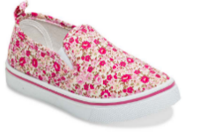 | fiori rosa |  | 54 |  |  |  |  |  |  |  |  |  | 54 | 12 | 648
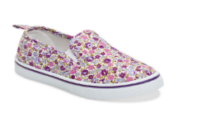 | fiori lilla |  | 79 |  |  |  |  |  |  |  |  |  | 79 | 12 | 948
 | fiori lilla | MIX SIZES | 1 |  |  |  |  |  |  |  |  |  |  |  | 1
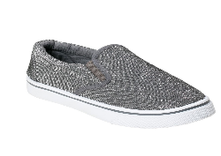 | antracite |  |  |  |  | 14 |  |  |  |  |  |  | 14 | 12 | 168
 | antracite | MIX SIZES |  |  | 2 | 11 |  |  |  |  |  |  |  |  | 13
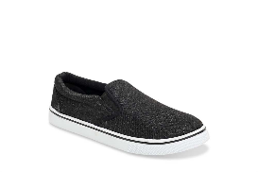 | glitter black |  | 30 |  |  |  | 41 |  |  |  |  | 5 | 76 | 12 | 912
 | glitter black | MIX SIZES | 6 |  |  |  |  |  |  |  |  | 7 |  |  | 13
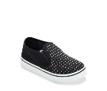 | nero |  |  |  |  | 27 | 42 |  |  |  |  |  | 69 | 12 | 828
 | nero | MIX SIZES |  |  |  |  | 11 |  |  |  |  |  |  |  | 11
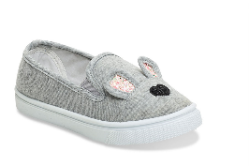 | grigio |  | 12 |  |  |  |  |  |  |  |  |  | 12 | 12 | 144
 | grigio | MIX SIZES | 10 |  |  |  |  |  |  |  |  |  |  |  | 10
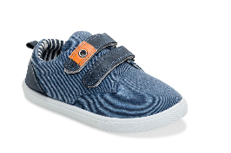 | navy |  | 3 |  |  |  |  |  |  |  |  |  | 3 | 12 | 36
 | navy | MIX SIZES | 20 |  |  |  |  |  |  |  |  |  |  |  | 20
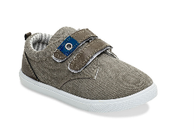 | grigio |  | 5 |  |  |  |  |  |  |  |  |  | 5 | 12 | 60
 | grigio | MIX SIZES | 11 |  |  |  |  |  |  |  |  |  |  |  | 11
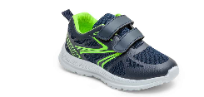 | navy | MIX SIZES |  |  | 9 | 1 |  |  |  |  |  |  | 1 | 10 | 10
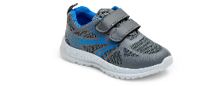 | grigio | MIX SIZES |  |  | 10 | 8 |  |  |  |  |  |  | 1 |  | 18
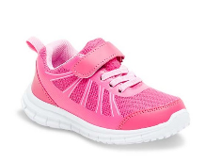 | fuxia |  |  |  |  |  | 12 |  |  |  |  |  | 12 | 12 | 144
 | fuxia | MIX SIZES |  |  | 4 | 2 |  |  |  |  |  |  |  |  | 6
 | fuxia |  |  |  | 10 | 11 |  |  |  |  |  |  |  |  | 21
 | navy |  | 5 |  |  |  |  |  |  |  |  |  | 5 | 12 | 60
 | navy | MIX SIZES | 11 |  |  |  |  |  |  |  |  |  |  |  | 11
 | grigio/rosa |  | 9 |  |  |  |  |  |  |  |  |  | 9 | 12 | 108
 | grigio/rosa | MIX SIZES | 24 |  |  |  |  |  |  |  |  |  |  |  | 24
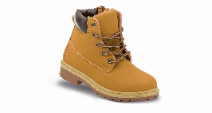 | beige |  | 29 |  |  |  |  |  |  |  |  |  | 29 | 12 | 348
 | beige | MIX SIZES | 4 | 1 |  |  |  |  |  |  |  |  |  |  | 5
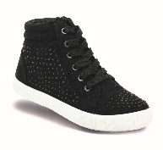 | nero |  | 26 |  |  |  |  |  |  |  |  |  | 26 | 12 | 312
 | nero | MIX SIZES | 2 |  |  |  |  |  |  |  |  |  |  |  | 2
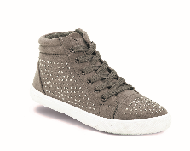 | grey |  | 11 |  |  |  |  |  |  |  |  |  | 11 | 12 | 132
 | grey | MIX SIZES | 11 |  |  |  |  |  |  |  |  |  |  |  | 11
 | green - WITH LIGHTS! | PAIRS |  |  | 3 |  |  |  |  |  |  |  |  |  | 3
 | navy - WITH LIGHTS! | PAIRS |  |  | 3 |  |  |  |  |  |  |  |  |  | 3
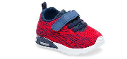 | red - WITH LIGHTS! | PAIRS |  |  |  |  |  | 7 |  |  |  |  | 1 |  | 7
 | pink - WITH LIGHTS! | PAIRS |  |  |  |  |  | 10 |  |  |  |  | 1 |  | 10
 | grey | PAIRS |  |  |  | 8 |  |  |  |  |  |  | 1 |  | 8
 | royal/ green | PAIRS |  |  |  | 3 |  |  |  |  |  |  |  |  | 3
 | silver | PAIRS |  |  |  | 1 |  |  |  |  |  |  |  |  | 1
 | lilla | PAIRS |  |  |  | 4 |  |  |  |  |  |  | 1 |  | 4
 | navy | PAIRS |  |  |  |  |  | 1 | 5 |  |  |  |  |  | 6
 | rosa + blu | PAIRS |  |  |  |  |  | 10 |  |  |  |  |  |  | 10
 | rosa + blu | PAIRS |  |  |  |  |  | 12 |  |  |  |  | 1 |  | 12
 |  | PAIRS |  |  |  | 17 |  |  |  |  |  |  | 1 |  | 17
 | jeans lt navy | PAIRS |  |  |  | 6 |  |  |  |  |  |  | 1 |  | 6
 |  |  |  |  |  |  |  |  |  |  |  |  | 1240 |  | 15267

